①Prerequisite
【Skill Definition】
■A skill is an ability required to perform a task
■In the space skills standard, those required to perform key tasks in the field of space development Organizes standard skill items. Skills are categorized according to their nature.
■Each skill is defined as consisting of both knowledge (classroom learning and understanding of operations) and skills (know-how and experience).

【Scope of skill sorting】
■The Space Skills Standard organizes skills related to key jobs in the space industry.
On the other hand, basic skills common to all industries (e.g., logical thinking) are not covered by this standard.

■We first organize and present a wide range of skill items so that each company can use them flexibly according to its own situation and objectives.

As a result, there may be some overlap in meaning between items and slight differences in granularity.
It is assumed that each company will select and rearrange the information as appropriate.
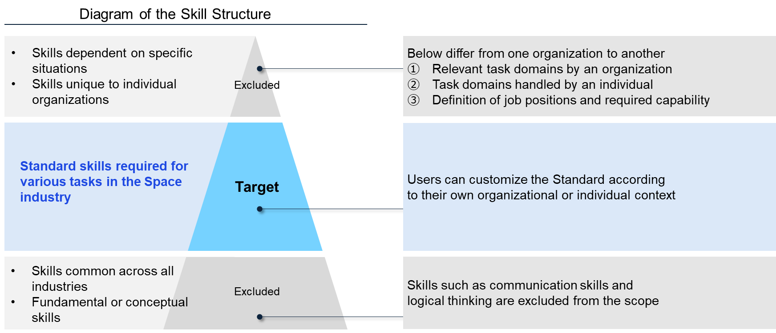

【Skills Standard Summary】
■The Space Skills Standard organizes 164 key skills and divides them into 22 categories.
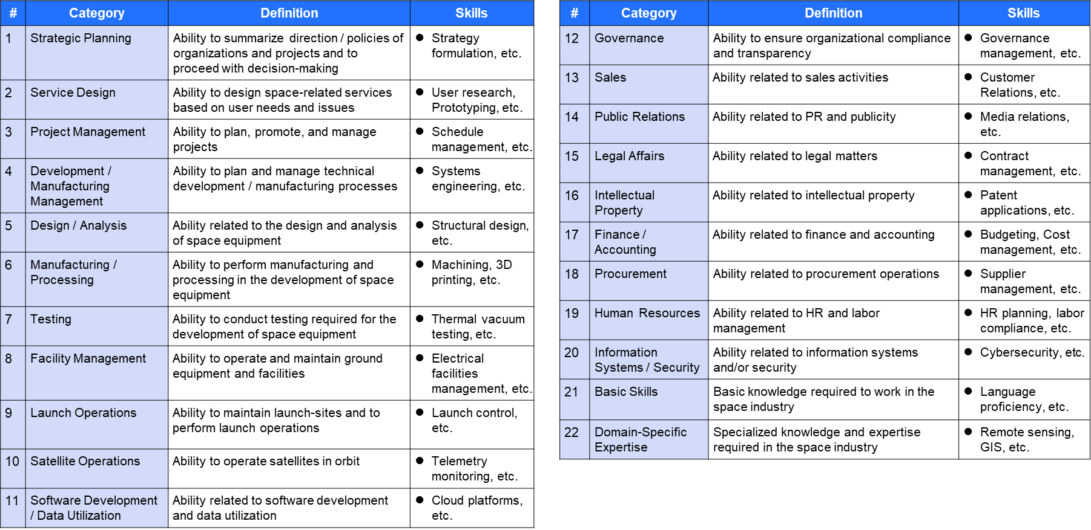

②Prerequisite
【Task definition】
■Task is a function or role that is necessary for an organization to achieve a specific purpose.
■This space skills standard summarizes the main work examples in the space development field.
Please use this information as a reference when considering the work items required to achieve the objectives.

【Task Classification】
■There are two broad categories of tasks organized by the Space Skills Standard.
1. | Spacecraft Development, Manufacturing and Operation Project (Operations such as management, development, manufacturing, launch and operation)

2. | Organizational operations (Operations such as sales, marketing, public relations, legal affairs and finance)

■In particular, 1. Spacecraft development, manufacturing and operation project work can be further elaborated into two parts.

1-1. | Cross-Project tasks (Project Management, etc.)
1-2. | Task By Process (Design, Manufacturing, Testing, etc.)

1.Spacecraft Development Project |  |  | 2.Organizational Operations

Sales
1-1.Cross-Project Activities
Project Management
Project Planning and Design
Public Relations
Legal Affairs

Development and Manufacutring
Satellite Operation
Finance and Accounting
1-2.operations by process
Satellite Data Utilization
●●●
Launch Operation

 |  | ➡ Please note that each category points to a different layer.

【Skills Standard Summary】
■The Space Skills Standard summarizes the main tasks in the field of space development into a total of 174 items, which are organized into 21 categories.

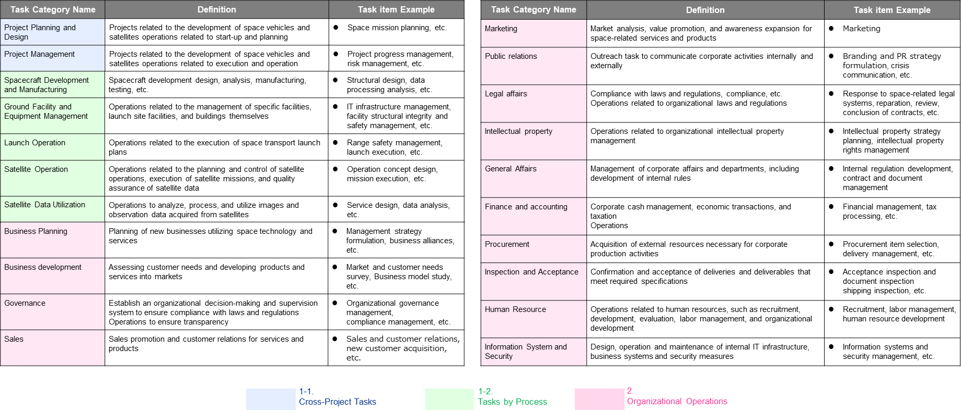

④Prerequisite
【Role definition】
■A job title or role in an organization that is responsible for a specific task.
■Because each organization has a different approach to setting up roles, the Space Skills Standard provides roles as "examples" only.

【Contents of Role List】
■Illustrates the key duties and skills associated with each of the 59 roles.
■Note that the relationships between tasks and skills described in the list of role examples do not necessarily apply to users.
Please refer to this document only as a "guideline," and use it after each organization and user determines the necessity of tasks and skills.

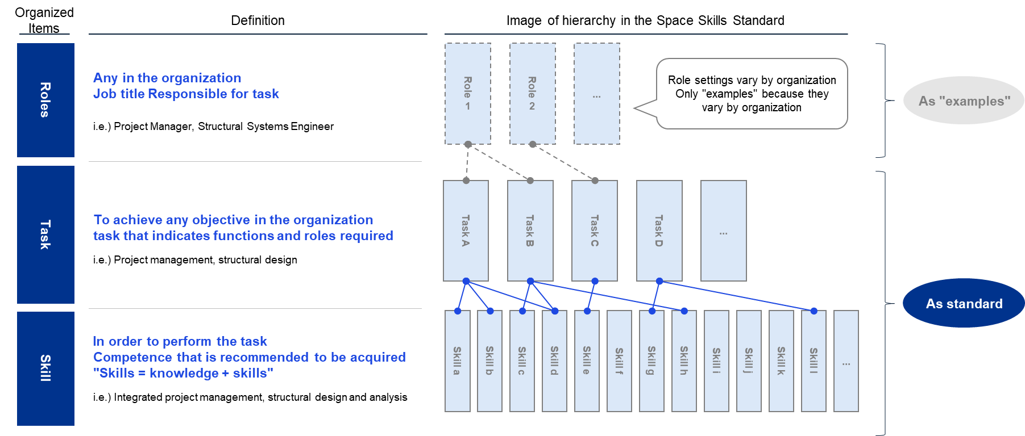

Skill & Academics
【Skills x Academic and Qualification Tests】
■This section summarizes the correspondence between each skill in the Space Skills Standard and related academic fields and qualifications. This gives you a systematic view of what areas of study and qualifications can help you learn a particular skill. ■Associations with academic disciplines and certifications are "guidelines" that indicate a route of study for acquiring skills and do not imply that these disciplines or certifications are mandatory. Please use it as a guide to select the necessary learning areas according to your objectives and to use it as a reference for designing educational programs and training.
Skill Category | # | Skill Item | Academic Field | Related Qualification
Formulation of Strategies and Plans | 1 | Understanding of Trends | ー | ー
 | 2 | Strategy Formulation | ー | ー
 | 3 | Scenario Planning | ー | ー
 | 4 | Project Planning | ー | ー
Service Design | 5 | Business Model Design | ー | ー
 | 6 | Service Design | ー | ー
 | 7 | Usability (UX) Design | ー | ー
 | 8 | Social Implementation | ー | ー
Project Management | 9 | Integrated Project Management | ー | ・Project Manager Exam ・PMP(Project Management Professional) ・P2M Qualification Exam ・PRINCE2 ・PMO Specialist Certification
 | 10 | Scope Management | ー | ・Project Manager Exam ・PMP(Project Management Professional) ・P2M Qualification Exam ・PRINCE2 ・PMO Specialist Certification
 | 11 | Time Management | ー | ・Project Manager Exam ・PMP(Project Management Professional) ・P2M Qualification Exam ・PRINCE2 ・PMO Specialist Certification
 | 12 | Cost Management | ー | ・Project Manager Exam ・PMP(Project Management Professional) ・P2M Qualification Exam ・PRINCE2 ・PMO Specialist Certification
 | 13 | Quality Management | ー | ・Project Manager Exam ・PMP(Project Management Professional) ・P2M Qualification Exam ・PRINCE2 ・PMO Specialist Certification
 | 14 | Resource Management | ー | ・Project Manager Exam ・PMP(Project Management Professional) ・P2M Qualification Exam ・PRINCE2 ・PMO Specialist Certification
 | 15 | Communication Management | ー | ・Project Manager Exam ・PMP(Project Management Professional) ・P2M Qualification Exam ・PRINCE2 ・PMO Specialist Certification
 | 16 | Risk Management | ー | ・Project Manager Exam ・PMP(Project Management Professional) ・P2M Qualification Exam ・PRINCE2 ・PMO Specialist Certification
 | 17 | Procurement Management | ー | ・Project Manager Exam ・PMP(Project Management Professional) ・P2M Qualification Exam ・PRINCE2 ・PMO Specialist Certification
 | 18 | Stakeholder Management | ー | ・Project Manager Exam ・PMP(Project Management Professional) ・P2M Qualification Exam ・PRINCE2 ・PMO Specialist Certification
Development and Manufacturing Management | 19 | Production Management | Business Administration/Management Engineering/Industrial Accounting/Systems Engineering | ・Business Career Test (Production Control) ・QC test ・PMP(Project Management Professional) ・APICS CPIM(Certified in Production and Inventory Management) ・professional engineer ・producer
 | 20 | Manufacturing Process Management | Mechanical Engineering/Materials Engineering/Industrial Chemistry/Management Engineering | ・Business Career Test (Production Control) ・QC test ・PMP(Project Management Professional) ・APICS CPIM(Certified in Production and Inventory Management) ・professional engineer ・producer
 | 21 | Cleanliness Management (Contamination Control) | Fundamentals of Informatics/Software/Media Informatics/Databases/Statistical Sciences | ・professional engineer ・Operations chief of organic solvents ・QC test
 | 22 | Standardization | ー | ー
 | 23 | Configuration Management | Informatics Fundamentals/Software | ・CMPIC ・CMII Professional ・Project Manager Exam ・PMP(Project Management Professional) ・P2M Qualification Exam ・PRINCE2 ・PMO Specialist Certification
Design and Analysis | 24 | Systems Engineering | ー | ・Basic Information Technology Engineers Examination ・Applied Information Technology Engineers Examination ・System Architect Exam ・IT Strategist Exam ・Project Manager Exam
 | 25 | Model-Based Development | Fundamentals of Informatics/Software/Statistical Sciences | ・OMG Certification Exam ・UMTP Certification
 | 26 | Structural Design and Analysis | Statistical Science/Mechanical Materials/Material Mechanics/Design Engineering/Mechanical Functional Elements/Tripology / Fluid Engineering/Thermal Engineering/Mechanical Dynamics/Control/Composite Materials/Physical Properties/Structural/Functional Materials/Aerospace Engineering | ・professional engineer ・Mechanical Design Engineer Examination ・2D CAD user engineer certification ・3D CAD user engineer certification ・CAE engineer qualification
 | 27 | Mechanical Design and Analysis | Statistical Science/Mechanical Materials/Material Mechanics/Design Engineering/Mechanical Functional Elements/Tripology / Thermal Engineering/Mechanical Dynamics/Control/Composite Materials/Physical Properties/Structural/Functional Materials/Aerospace Engineering | ・professional engineer ・Mechanical Design Engineer Examination ・2D CAD user engineer certification ・3D CAD user engineer certification ・CAE engineer qualification
...
【Skills x Academic and Qualification Tests】
Testing | 69 | Functional Performance Test | Fundamentals of Informatics/Software/Computer Systems and Networks/Intelligent Informatics/Statistical Sciences/Electrical and Electronic Engineering/Electronic Devices and Electronics/Communication and Network Engineering/Systems Engineering/Control Engineering/Applied Physics/Fundamentals of Engineering/Mechanical Engineering/Aerospace Engineering | ・professional engineer ・Mechanical Design Engineer Examination
 | 70 | Combustiont Test | Electrical and Electronic Engineering/Mechanical Engineering/Thermal Engineering/Aerospace Engineering/Chemical Properties/Transfer Operation/Unit Operation/Reaction Engineering/Process Systems/Catalysts/Resource Chemical Processes | ・High Pressure Gas Production Safety Supervisor (Class C Chemical (Liquefied Petroleum Gas) Supervisor Certificate) ・Hazardous materials engineer (Class B Class 5) ・Explosives Handling Safety Supervisor (Class A and Class B)
 | 71 | Pressure Test | Materials Engineering/Structural and Functional Materials/Mechanical Engineering/Thermal Engineering/Aerospace Engineering | ・High Pressure Gas Production Safety Supervisor (Class C Chemical (Liquefied Petroleum Gas) Supervisor Certificate) ・Hazardous materials engineer (Class B Class 5) ・Explosives Handling Safety Supervisor (Class A and Class B)
 | 72 | Impact Test | Materials Engineering/Structural and Functional Materials/Mechanical Engineering/Design Engineering/Mechanical Functional Elements/Tribology/Aerospace Engineering/Social and Safety Systems Science | ・Skill training course
 | 73 | Vibration and Acoustic Test | Materials Engineering/Structural and Functional Materials/Mechanical Engineering/Mechanical Dynamics and Control/Aerospace Engineering/General Applied Physics | ・Skill training course
 | 74 | Aerodynamic and Wind Tunnel Tests | Mechanical Engineering, Fluid Engineering, Aerospace Engineering, Solid Earth and Planetary Physics, Meteorology, Marine Physics, Limnology | ・Skill training course ・CFD Engineer
 | 75 | Thermal Test | Materials Engineering/Structural and Functional Materials/Thermal Engineering/Aerospace Engineering/Environmental Chemistry | ・Skill training course
 | 76 | EMC Exam | Electrical and Electronic Engineering/Electronic Devices and Electronic Equipment/Communications and Network Engineering/Systems Engineering/Control Engineering/Aerospace Engineering | ー
 | 77 | Radiation Test | Electrical and Electronic Engineering/Electronic Devices/Electronic Equipment/Radiation and Chemical Effects Science/Aerospace Engineering/Physics (Particles, Nuclei, Cosmic Rays and Astrophysics) | ー
Facilities and Equipment Management | 78 | Facility Management | Civil Engineering/Architecture/Environmental Science/Social and Safety Systems Science/Electrical and Electronic Engineering/Mechanical Engineering | ・Taking a skill training course ・Firefighting equipment officer (Class A, Class B) ・boiler engineer ・Building environmental sanitation management engineer ・building engineer ・professional engineer
Added "Professional Engineer Qualification (Mechanical, Aerospace)"
 | 79 | Electrical Equipment Management | Electrical and Electronic Engineering/Architecture/Environmental Science/Social and Safety Systems Science | ・electrician ・fire engineer ・Chief Electrical Engineer ・Building environmental sanitation management engineer ・Chief Electrical Engineer ・building engineer ・professional engineer ・Chief Electricity Engineer (Class-1)
 | 80 | Machinery Management | Mechanical Engineering/Materials Engineering/Architecture/Environmental Science/Social and Safety Systems Science | ・Mechanical maintenance technician ・fire engineer ・boiler engineer ・Building environmental sanitation management engineer ・Mechanical maintenance technician ・building engineer ・professional engineer ・Mechanical maintenance technician
 | 81 | Heavy Machine Operation | Mechanical Engineering/Civil Engineering/Architecture/Process Engineering/Social and Safety Systems Science | ・Skill training course for forklift operation ・Skill training course for operation of light duty mobile crane ・Skill training course for slinging ・crane operator
 | 82 | Hazardous Materials Management (Cryogenic Fluid) | Environmental Science/Radiation and Chemical Effects Science/Materials Engineering/Structural and Functional Materials/Thermal Engineering/Aerospace Engineering/Social and Safety Systems Science | ・Taking a skill training course ・Hazardous materials engineer (Class B Class 4) ・Firefighting equipment officer (Class A, Class B) ・High Pressure Gas Production Safety Manager (Class B) ・Person in charge of handling high pressure gas ・High Pressure Gas Production Safety Manager (Class A) ・professional engineer
 | 83 | Hazardous Materials Management (Explosives) | Environmental Science/Radiation and Chemical Effects Science/Materials Engineering/Catalysis and Resource Chemistry Process/Aerospace Engineering/Social and Safety Systems Science | ・Taking a skill training course ・Hazardous materials engineer (Class B Class 4) ・Explosives Handling Safety Supervisor (Class B) ・Firefighting equipment officer (Class A, Class B) ・Explosives Handling and Safety Supervisor (Class A) ・Explosives Handler's License (Class B) ・Explosives Production Safety Manager (Class A) ・professional engineer
 | 84 | Hazardous Materials Management (High Pressure Gas) | Environmental Science/Radiation and Chemical Effects Science/Materials Engineering/Thermal Engineering/Aerospace Engineering/Social and Safety Systems Science | ・Taking a skill training course ・Hazardous materials engineer (Class B Class 4) ・Firefighting equipment officer (Class A, Class B) ・High Pressure Gas Production Safety Manager (Class B) ・Person in charge of handling high pressure gas ・High Pressure Gas Production Safety Manager (Class A) ・professional engineer
 | 85 | Hazardous Materials Management (Radiation) | Radiation and Chemical Effects Science/Environment-related Chemistry/Physics (Particles, Nuclei, Cosmic Rays, Astrophysics)/Aerospace Engineering/Social and Safety Systems Science | ・Taking a skill training course ・Hazardous materials engineer (Class B Class 4) ・Radiation Protection Supervisor (Class-2) ・Firefighting equipment officer (Class A, Class B) ・Radiation Protection Supervisor (Type 1) ・professional engineer
 | 86 | Hazardous Materials Management (Others) | Environmental Science/Radiation and Chemical Effects Science/Environment-related Chemistry/Material Engineering/Chemical Properties/Transfer Operation/Unit Operation/Aerospace Engineering/Social and Safety Systems Science | ・Taking a skill training course ・Hazardous materials engineer (Class B Class 4) ・Radiation Protection Supervisor (Class-2) ・Firefighting equipment officer (Class A, Class B) ・Hazardous materials engineer (Class A) ・Poisonous and Deleterious Substances Handling Supervisor ・Operations chief of organic solvents ・Person in charge of specified chemical substances ・professional engineer
 | 87 | Building Design and Management | Architecture/Civil Engineering/Environmental Engineering | ・Doboku test ・architectural CAD certification ・concrete engineer ・surveyor ・concrete diagnostician ・geological survey engineer ・Civil engineering management engineer ・professional engineer
 | 88 | Civil Engineering Design and Construction Management | Civil Engineering/Civil Construction/Surveying | ・Doboku test ・Architectural/Civil Engineering CAD Certification ・concrete engineer ・surveyor ・Civil engineering management engineer ・geological survey engineer ・professional engineer
 | 89 | Building Design and Construction Management | Architecture/Architectural Planning/Architectural Construction | ・architectural CAD certification ・architect ・Construction management engineer ・building engineer ・professional engineer
...

